PCA
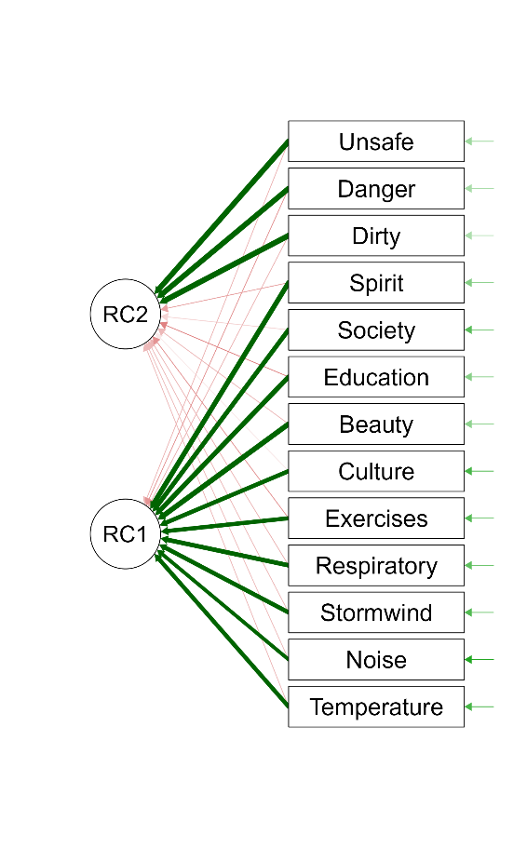
Principal Component Analysis
Kaiser-Meyer-Olkin Test
 | MSA
Overall MSA | 0.91008
Temperature | 0.90615
Noise | 0.93712
Stormwind | 0.95098
Respiratory | 0.94502
Exercises | 0.91405
Culture | 0.93161
Beauty | 0.8996
Education | 0.92232
Society | 0.92023
Spirit | 0.939
Dirty | 0.7873
Danger | 0.81001
Unsafe | 0.83321

Bartlett's Test
Χ² | df | p
3291.53951 | 78 | < .00001

Chi-Squared Test
 | Value | df | p
Model | 441.71333 | 53 | < .00001

Component Loadings
 | PC1 | PC2 | Uniqueness
Beauty | 0.87293 |  | 0.21875
Spirit | 0.85358 |  | 0.23845
Education | 0.84287 |  | 0.22986
Society | 0.81954 |  | 0.32167
Respiratory | 0.81716 |  | 0.31123
Stormwind | 0.80114 |  | 0.33942
Culture | 0.79889 |  | 0.35985
Exercises | 0.79036 |  | 0.33056
Temperature | 0.78874 |  | 0.3588
Noise | 0.7419 |  | 0.43251
Dirty |  | 0.90489 | 0.15966
Unsafe |  | 0.89005 | 0.18756
Danger |  | 0.88811 | 0.16707
Note. Applied rotation method is varimax.

Component Characteristics
 | Unrotated solution |  |  | Rotated solution
 | Eigenvalue | Proportion var. | Cumulative | SumSq. Loadings | Proportion var. | Cumulative
Component 1 | 7.27767 | 0.55982 | 0.55982 | 6.70362 | 0.51566 | 0.51566
Component 2 | 2.06694 | 0.159 | 0.71882 | 2.64098 | 0.20315 | 0.71882

Component Correlations
 | Component 1 | Component 2
Component 1 | 1 | 0
Component 2 | 0 | 1

HCA
Hierarchical Clustering
Model Summary: Hierarchical Clustering
Clusters | N | R² | AIC | BIC | Silhouette
3 | 307 | 0.68363 | 205.62 | 227.98 | 0.56

Cluster Information
Cluster | 1 | 2 | 3
Size | 47 | 61 | 199
Explained proportion within-cluster heterogeneity | 0.17472 | 0.48577 | 0.33951
Within sum of squares | 33.82918 | 94.05394 | 65.73598
Silhouette score | 0.48371 | 0.34184 | 0.65158

Cluster Means
 | PC_1 | PC_2
Cluster 1 | 0.45761 | 1.66282
Cluster 2 | -1.76693 | 0.28409
Cluster 3 | 0.43354 | -0.47981

Cluster Matrix Plot

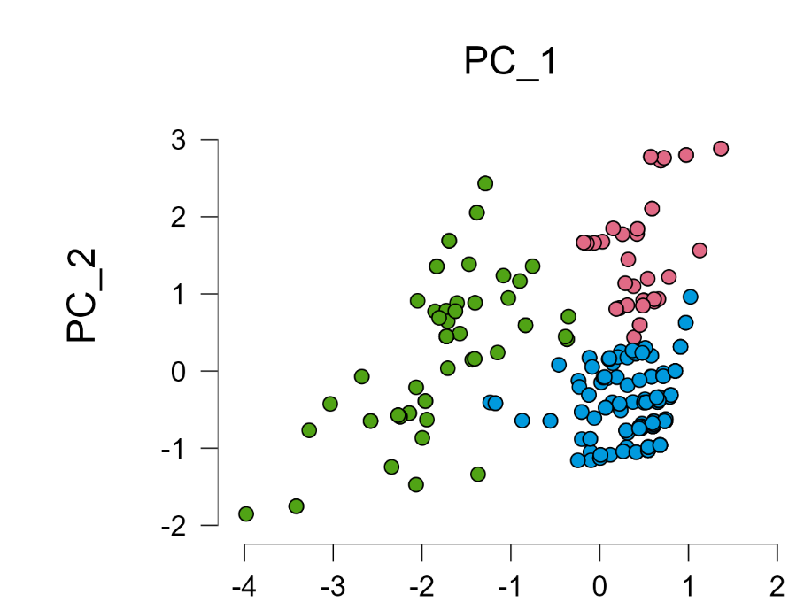
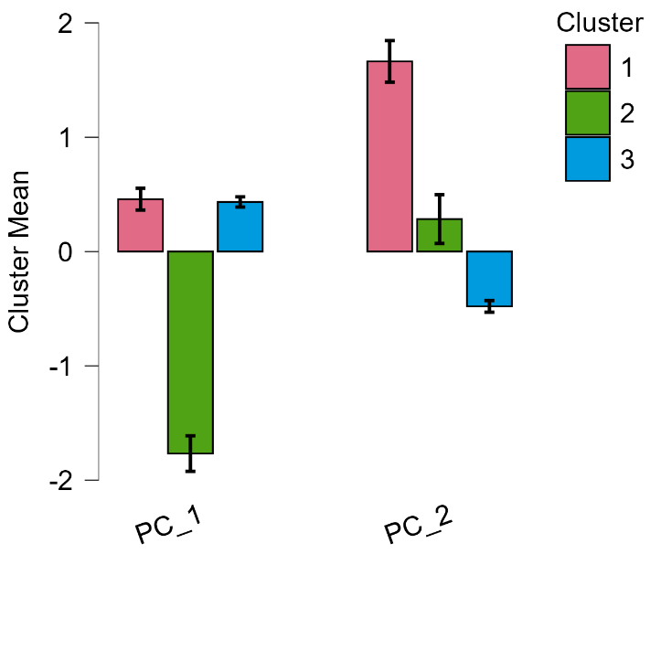
Cluster Mean Plots
All Features

